Sensitivity Analysis Report
$H$6 | [What-If_Analysis_Practice.xlsx]Goal Seek'!$C$19
20 | $149,474
21 | $133,512
22 | $117,549
23 | $101,587
The Relationship of Cost to Profit
24 | $85,625
25 | $69,662
26 | $53,700
27 | $37,737
28 | $21,775
29 | $5,812
30 | ($10,150)

Sensitivity Analysis Report 2
We can benefit more by spending more advertising dollars in Q2 than in Q1. This pattern tells us that we can gain more from spending additional dollars in Q2 than from the same additional dollars in Q1. We could improve profits by shifting dollars from Q1 to Q2. We also note from the table that the relationship between profits and advertising expenditures in not linear. Rather, profits show dimininshing returns.
$C$19 : $D$17 by $E$17
Profit
 |  |  |  |  |  | The Effect Q1 and Q2 Advertising has on Profits
Q1 | Q2
 | 5000 | 6000 | 7000 | 8000 | 9000 | 10000 | 11000 | 12000 | 13000 | 14000 | 15000
5000 | $64,180 | $65,060 | $65,838 | $66,529 | $67,145 | $67,695 | $68,186 | $68,625 | $69,017 | $69,366 | $69,676
6000 | $64,718 | $65,598 | $66,376 | $67,067 | $67,683 | $68,233 | $68,725 | $69,164 | $69,555 | $69,904 | $70,214
7000 | $65,173 | $66,053 | $66,831 | $67,522 | $68,138 | $68,688 | $69,179 | $69,618 | $70,010 | $70,359 | $70,669
8000 | $65,557 | $66,437 | $67,215 | $67,906 | $68,522 | $69,072 | $69,563 | $70,002 | $70,394 | $70,743 | $71,053
9000 | $65,879 | $66,759 | $67,537 | $68,228 | $68,844 | $69,394 | $69,885 | $70,324 | $70,716 | $71,065 | $71,375
10000 | $66,147 | $67,027 | $67,805 | $68,496 | $69,112 | $69,662 | $70,153 | $70,592 | $70,984 | $71,333 | $71,643
11000 | $66,367 | $67,247 | $68,025 | $68,716 | $69,332 | $69,882 | $70,374 | $70,813 | $71,204 | $71,553 | $71,863
12000 | $66,544 | $67,424 | $68,203 | $68,894 | $69,510 | $70,060 | $70,551 | $70,990 | $71,382 | $71,731 | $72,040
13000 | $66,683 | $67,563 | $68,341 | $69,033 | $69,648 | $70,198 | $70,690 | $71,129 | $71,520 | $71,869 | $72,179
14000 | $66,787 | $67,667 | $68,445 | $69,136 | $69,752 | $70,302 | $70,793 | $71,232 | $71,624 | $71,973 | $72,283
15000 | $66,858 | $67,738 | $68,517 | $69,208 | $69,824 | $70,374 | $70,865 | $71,304 | $71,696 | $72,045 | $72,354

Tornado Chart
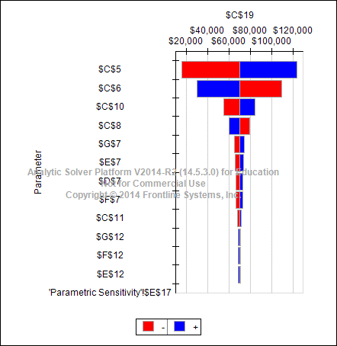
Advertising Budget Model

PARAMETERS
 |  |  | Q1 | Q2 | Q3 | Q4 |  | Notes
 | Price | $40.00 |  |  |  |  |  | Current price
 | Cost | $25.00 |  |  |  |  |  | Accounting
 | Seasonal |  | 0.9 | 1.1 | 0.8 | 1.2 |  | Data analysis
 | OHD rate | 0.15 |  |  |  |  |  | Accounting
 | Sales Parameters
 |  | 35 |  |  |  |  |  | Consultants
 |  | 3000
 | Sales Expense |  | 8000 | 8000 | 9000 | 9000 |  | Consultants
 | Ad Budget | $40,000 |  |  |  |  |  | Current budget

DECISIONS |  |  |  |  |  |  | Total
 | Ad Expenditures |  | $10,000 | $10,000 | $10,000 | $10,000 | $40,000 | sum

OUTPUTS
 | Profit | $69,662

CALCULATIONS
 | Quarter |  | Q1 | Q2 | Q3 | Q4 | Total
 | Seasonal |  | 0.9 | 1.1 | 0.8 | 1.2

 | Units Sold |  | 3592 | 4390 | 3192 | 4789 | 15962 | given formula
 | Revenue |  | 143662 | 175587 | 127700 | 191549 | 638498 | price*units
 | Cost of Goods |  | 89789 | 109742 | 79812 | 119718 | 399061 | cost*units
 | Gross Margin |  | 53873 | 65845 | 47887 | 71831 | 239437 | subtraction

 | Sales Expense |  | 8000 | 8000 | 9000 | 9000 | 34000 | given
 | Advertising |  | 10000 | 10000 | 10000 | 10000 | 40000 | decisions
 | Overhead |  | 21549 | 26338 | 19155 | 28732 | 95775 | rate*revenue
 | Total Fixed Cost |  | 39549 | 44338 | 38155 | 47732 | 169775 | sum

 | Profit |  | 14324 | 21507 | 9732 | 24099 | 69662 | GM -TFC
 | Profit Margin |  | 9.97% | 12.25% | 7.62% | 12.58% | 10.91% | pct of revenue

 |  |  |  |  |  |  |  |  | 0

 |  |  |  |  |  |  |  |  | 0

